Inputs-Results
Disclaimer: “This spreadsheet is intended as a tool to provide convenience in hydraulic design. There is no guarantee, either implied or explicit, as to the accuracy or reliability of the results provided by this spreadsheet. By using this spreadsheet, the user agrees to take full responsibility for the input data and for the interpretation and use of the spreadsheet results.”
Des # |  |  |  |  |  |  | This spreadsheet is used to calculate the bypass of grass inlets such as Type 12 and Type 7's. To use, simply fill in the yellow cells on this sheet for the inlets in your project. Check the common errors on the far right of this spreadsheet to assure there are no immediate errors that need corrected. If an inlet is to be replaced,assume a P-12 inlet even if an N-12 is intended to be installed. This provides the ability to switch the inlet back to a P-12 should there be a construction issue. Then use the summary table tab to put the refined results into the hydraulics report and memo.
Location
Computed by |  |  |  | Date
Checked by |  |  |  | Date

Grass Inlet Hydraulic Computations
Structure Info |  |  |  |  |  | Hydrology |  | Pipe Hydraulics From Pipe Model |  |  | Flow |  | Misc. Elevations |  |  |  |  | Ditch info |  |  |  |  |  |  |  |  |  |  |  |  | Results |  |  |  |  |  | common errors
Str. # (if none, simply do 1-30) | Inlet Type | Slope of P or N inlets (H:1) | Clogging Factor % (if not standard) | Sag or On-grade | Str. # Bypass Goes To | Design Storm Frequency | Individual Drainage Area Q (cfs) | HGL of Pipe Analysis (ft) | Outlet Pipe Size (in) | Pipe Bypass from Model (cfs) | Total Run-by Q going to inlet (cfs) | Total Q (cfs) | Known Bottom of Grate Station | FL of Grate Elev (ft) | On-grade Berm Elev (ft) | On-grade Berm Thickness (ft) (if no input, assumes 3 ft if berm present) | Serviceability Elev. (Low Edge of Travel Lane) | Left Station Top of Bank | Left Top of Bank Elev | Left Station Toe of Slope | Left Toe of Slope Elev | Flowline Station | Flowline Elev | Right Station Toe of Slope | Right Toe of Slope Elev | Right Station Top of Bank | Right Top of Bank Elev | Manning's n | Channel Slope if on-grade (ft/ft) | If N-12 or P12, side of channel | Clogging Factor | Flow Depth over Inlet or over Berm (ft) | HGL Elev (ft) | Q intercepted (cfs) | Individual Structure Run By (Cfs) | Inlet side cover depth | P or N Inlet fits? | Channel size adequate? | water encroaches onto road? | Flowline station on correct side of channel?
 |  |  |  |  |  |  |  |  |  |  | 0.00 | 0.00 |  |  |  |  |  |  |  |  |  |  |  |  |  |  |  |  |  |  | 0% | #N/A | #N/A | #N/A | #N/A |  | #N/A |  | #N/A
 |  |  |  |  |  |  |  |  |  |  | 0.00 | 0.00 |  |  |  |  |  |  |  |  |  |  |  |  |  |  |  |  |  |  | 0% | #N/A | #N/A | #N/A | #N/A |  | #N/A |  | #N/A
 |  |  |  |  |  |  |  |  |  |  | 0.00 | 0.00 |  |  |  |  |  |  |  |  |  |  |  |  |  |  |  |  |  |  | 0% | #N/A | #N/A | #N/A | #N/A |  | #N/A |  | #N/A
 |  |  |  |  |  |  |  |  |  |  | 0.00 | 0.00 |  |  |  |  |  |  |  |  |  |  |  |  |  |  |  |  |  |  | 0% | #N/A | #N/A | #N/A | #N/A |  | #N/A |  | #N/A
 |  |  |  |  |  |  |  |  |  |  | 0.00 | 0.00 |  |  |  |  |  |  |  |  |  |  |  |  |  |  |  |  |  |  | 0% | #N/A | #N/A | #N/A | #N/A |  | #N/A |  | #N/A
 |  |  |  |  |  |  |  |  |  |  | 0.00 | 0.00 |  |  |  |  |  |  |  |  |  |  |  |  |  |  |  |  |  |  | 0% | #N/A | #N/A | #N/A | #N/A |  | #N/A |  | #N/A
 |  |  |  |  |  |  |  |  |  |  | 0.00 | 0.00 |  |  |  |  |  |  |  |  |  |  |  |  |  |  |  |  |  |  | 0% | #N/A | #N/A | #N/A | #N/A |  | #N/A |  | #N/A
 |  |  |  |  |  |  |  |  |  |  | 0.00 | 0.00 |  |  |  |  |  |  |  |  |  |  |  |  |  |  |  |  |  |  | 0% | #N/A | #N/A | #N/A | #N/A |  | #N/A |  | #N/A
 |  |  |  |  |  |  |  |  |  |  | 0.00 | 0.00 |  |  |  |  |  |  |  |  |  |  |  |  |  |  |  |  |  |  | 0% | #N/A | #N/A | #N/A | #N/A |  | #N/A |  | #N/A
 |  |  |  |  |  |  |  |  |  |  | 0.00 | 0.00 |  |  |  |  |  |  |  |  |  |  |  |  |  |  |  |  |  |  | 0% | #N/A | #N/A | #N/A | #N/A |  | #N/A |  | #N/A
 |  |  |  |  |  |  |  |  |  |  | 0.00 | 0.00 |  |  |  |  |  |  |  |  |  |  |  |  |  |  |  |  |  |  | 0% | #N/A | #N/A | #N/A | #N/A |  | #N/A |  | #N/A
 |  |  |  |  |  |  |  |  |  |  | 0.00 | 0.00 |  |  |  |  |  |  |  |  |  |  |  |  |  |  |  |  |  |  | 0% | #N/A | #N/A | #N/A | #N/A |  | #N/A |  | #N/A
 |  |  |  |  |  |  |  |  |  |  | 0.00 | 0.00 |  |  |  |  |  |  |  |  |  |  |  |  |  |  |  |  |  |  | 0% | #N/A | #N/A | #N/A | #N/A |  | #N/A |  | #N/A
 |  |  |  |  |  |  |  |  |  |  | 0.00 | 0.00 |  |  |  |  |  |  |  |  |  |  |  |  |  |  |  |  |  |  | 0% | #N/A | #N/A | #N/A | #N/A |  | #N/A |  | #N/A
 |  |  |  |  |  |  |  |  |  |  | 0.00 | 0.00 |  |  |  |  |  |  |  |  |  |  |  |  |  |  |  |  |  |  | 0% | #N/A | #N/A | #N/A | #N/A |  | #N/A |  | #N/A
 |  |  |  |  |  |  |  |  |  |  | 0.00 | 0.00 |  |  |  |  |  |  |  |  |  |  |  |  |  |  |  |  |  |  | 0% | #N/A | #N/A | #N/A | #N/A |  | #N/A |  | #N/A
 |  |  |  |  |  |  |  |  |  |  | 0.00 | 0.00 |  |  |  |  |  |  |  |  |  |  |  |  |  |  |  |  |  |  | 0% | #N/A | #N/A | #N/A | #N/A |  | #N/A |  | #N/A
 |  |  |  |  |  |  |  |  |  |  | 0.00 | 0.00 |  |  |  |  |  |  |  |  |  |  |  |  |  |  |  |  |  |  | 0% | #N/A | #N/A | #N/A | #N/A |  | #N/A |  | #N/A
 |  |  |  |  |  |  |  |  |  |  | 0.00 | 0.00 |  |  |  |  |  |  |  |  |  |  |  |  |  |  |  |  |  |  | 0% | #N/A | #N/A | #N/A | #N/A |  | #N/A |  | #N/A
 |  |  |  |  |  |  |  |  |  |  | 0.00 | 0.00 |  |  |  |  |  |  |  |  |  |  |  |  |  |  |  |  |  |  | 0% | #N/A | #N/A | #N/A | #N/A |  | #N/A |  | #N/A
 |  |  |  |  |  |  |  |  |  |  | 0.00 | 0.00 |  |  |  |  |  |  |  |  |  |  |  |  |  |  |  |  |  |  | 0% | #N/A | #N/A | #N/A | #N/A |  | #N/A |  | #N/A
 |  |  |  |  |  |  |  |  |  |  | 0.00 | 0.00 |  |  |  |  |  |  |  |  |  |  |  |  |  |  |  |  |  |  | 0% | #N/A | #N/A | #N/A | #N/A |  | #N/A |  | #N/A
 |  |  |  |  |  |  |  |  |  |  | 0.00 | 0.00 |  |  |  |  |  |  |  |  |  |  |  |  |  |  |  |  |  |  | 0% | #N/A | #N/A | #N/A | #N/A |  | #N/A |  | #N/A
 |  |  |  |  |  |  |  |  |  |  | 0.00 | 0.00 |  |  |  |  |  |  |  |  |  |  |  |  |  |  |  |  |  |  | 0% | #N/A | #N/A | #N/A | #N/A |  | #N/A |  | #N/A
 |  |  |  |  |  |  |  |  |  |  | 0.00 | 0.00 |  |  |  |  |  |  |  |  |  |  |  |  |  |  |  |  |  |  | 0% | #N/A | #N/A | #N/A | #N/A |  | #N/A |  | #N/A
 |  |  |  |  |  |  |  |  |  |  | 0.00 | 0.00 |  |  |  |  |  |  |  |  |  |  |  |  |  |  |  |  |  |  | 0% | #N/A | #N/A | #N/A | #N/A |  | #N/A |  | #N/A
 |  |  |  |  |  |  |  |  |  |  | 0.00 | 0.00 |  |  |  |  |  |  |  |  |  |  |  |  |  |  |  |  |  |  | 0% | #N/A | #N/A | #N/A | #N/A |  | #N/A |  | #N/A
Notes:
1) Only input information into yellow highlighted cells on this "Inputs-Results" tab. No other sheet should be touched.7)
2) If you do not have a berm, simply do not input those values in the yellow cells.
3) The P12 and N12 grate width was updated to be the effective flow length instead of including the lip of the casting as the standalone on-grade spreadsheet has
4) The 50% clogging factor was included with the on-grade E7 calcs. The original spreadsheet did not perform this calculation on the on-grade part.
5) for the E7 inlet bypass, the original spreadsheet uses a full channel flow and velocity assumption whereas this spreadsheet is more precise using the actual depth of the channel based on the a surveyed channel instead of a standard trapezoidal channel. This does impact the intercepted and bypass flow and that is also the reason for the difference in channel depth.
6) If a P or N inlet does not have a specified station of where the bottom is located, it will automatically choose the toe of slope pending on the side of channel it is on.
7) For berm calculations, the calculations look at what it would be like if the inlet was in a sag up to the elevation of the berm. Once the berm is reached and there is flow still in effect, the flow is calculated using broad crested weir and the total depth over the inlet in 0.2 ft stages and the results returns that interpolated value. If the depth of water is over a foot above the berm, you may need to check the flows as this is a lot of flow for a median.
8) if you have errors, please check for common errors that would pop up to the right of the results that may have occured and can easily be addressed.

Standard Data
Lists
sag | Type 7 | Top of R Bank | left
on-grade | P-12 | Top of L Bank | right
 | N-12 | Toe of R bank | center (Berm)
 |  | Toe of L bank
 |  | FL

Inlet Type | Perimeter* (ft) | Calculated Perimeter (ft) | Area (sf) | Grate Width (ft) | Grate Length (ft) | Neenah Type | Splash-over Vel | Clogging Factor
Type 7 | 11.3 | 8.50 | 3.3 | 2.83 | 2.83 | R4215-C | 5.95 | 50%

 | area of 1 opening | weir length along base | side weir length | # of small openings | Clogging Factor | Splash over Vel
P-inlet | 0.11 | 2.24 | 3.63 | 90 | 0% | 4.84
N-inlet | 0.11 | 2.24 | 7.26 | 180 | 0% | 4.84

*Note, Neenah computes perimeter of curb inlets to be 2xWidth + 1xLength, but for grates without curb boxes it computes Perimeter to be 2xWidth+2xLength Therefore a measured length was found for the actual openings

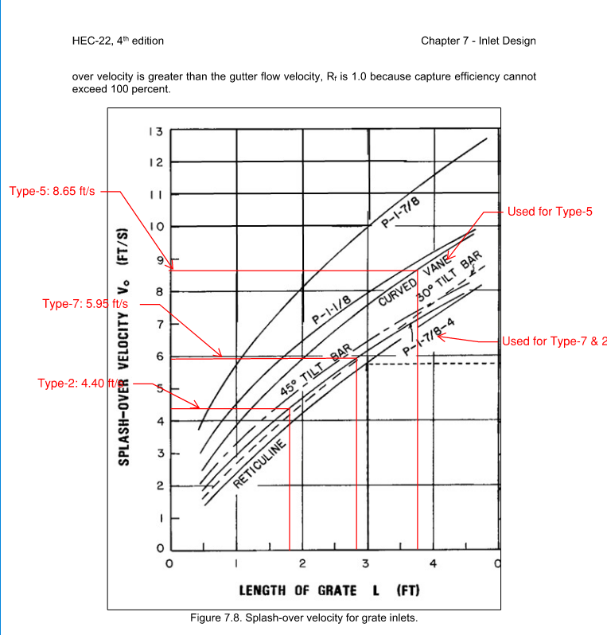
 |  |  |  |  |  |  |  |  |  | Table 8-1 English Units
 |  |  |  |  |  |  |  |  | Weir Eqn Hec-22, eqn 7.14 | Broad Crested Weir Coefficient C Values as a function of Weir Crest Breadth and Head
 |  |  |  |  |  |  |  |  | Q=C*A*(2*g*d)^0.5 |  | Breadth (thickness) of Crest of Weir (ft)
 |  |  |  |  |  |  |  |  | d=(Q/(C*((2*g)^0.5)*P))^0.67 | Head (ft) | 0.5 | 0.75 | 1 | 1.5 | 2 | 2.5 | 3 | 4 | 5 | 10 | 15 | 0
 |  |  |  |  |  |  |  |  | C=0.37 | 0.2 | 0.5 | 2.75 | 2.69 | 2.62 | 2.54 | 2.48 | 2.44 | 2.38 | 2.34 | 2.49 | 2.68
 |  |  |  |  |  |  |  |  |  | 0.4 | 2.8 | 2.8 | 2.72 | 2.64 | 2.61 | 2.6 | 2.58 | 2.54 | 2.5 | 2.56 | 2.7
 |  |  |  |  |  |  |  |  |  | 0.6 | 2.92 | 2.89 | 2.75 | 2.64 | 2.61 | 2.6 | 2.68 | 2.69 | 2.7 | 2.7 | 2.7
 |  |  |  |  |  |  |  |  |  | 0.8 | 3.08 | 3.04 | 2.85 | 2.68 | 2.6 | 2.6 | 2.67 | 2.68 | 2.68 | 2.69 | 2.64
 |  |  |  |  |  |  |  |  | Orifice Eqn Hec-22, eqn 7.15 | 1 | 3.3 | 3.14 | 2.98 | 2.75 | 2.66 | 2.64 | 2.65 | 2.67 | 2.68 | 2.68 | 2.63
 |  |  |  |  |  |  |  |  | Q=C*(2*g)^0.5*p*d^1.5 | 1.2 | 3.32 | 3.2 | 3.08 | 2.86 | 2.7 | 2.65 | 2.64 | 2.67 | 2.66 | 2.69 | 2.64
 |  |  |  |  |  |  |  |  | d=((Q/0.37*A)^2)/2g | 1.4 | 3.32 | 3.26 | 3.2 | 2.92 | 2.77 | 2.68 | 2.64 | 2.65 | 2.65 | 2.67 | 2.64
 |  |  |  |  |  |  |  |  | C=0.67 | 1.6 | 3.32 | 3.29 | 3.28 | 3.07 | 2.89 | 2.75 | 2.68 | 2.66 | 2.65 | 2.64 | 2.63
 |  |  |  |  |  |  |  |  |  | 1.8 | 3.32 | 3.32 | 3.34 | 3.07 | 2.88 | 2.74 | 2.68 | 2.66 | 2.65 | 2.64 | 2.63
 |  |  |  |  |  |  |  |  |  | 2 | 3.32 | 3.31 | 3.3 | 3.03 | 2.85 | 2.76 | 2.72 | 2.68 | 2.65 | 2.64 | 2.63
 |  |  |  |  |  |  |  |  |  | 2.5 | 3.32 | 3.32 | 3.34 | 3.28 | 3.07 | 2.89 | 2.81 | 2.72 | 2.67 | 2.64 | 2.63
 |  |  |  |  |  |  |  |  |  | 3 | 3.32 | 3.32 | 3.32 | 3.32 | 3.2 | 3.05 | 2.92 | 2.73 | 2.66 | 2.64 | 2.63
 |  |  |  |  |  |  |  |  |  | 3.5 | 3.32 | 3.32 | 3.32 | 3.32 | 3.32 | 3.19 | 2.97 | 2.76 | 2.68 | 2.64 | 2.63
 |  |  |  |  |  |  |  |  |  | 4 | 3.32 | 3.32 | 3.32 | 3.32 | 3.32 | 3.32 | 3.07 | 2.79 | 2.7 | 2.64 | 2.63
 |  |  |  |  |  |  |  |  |  | 4.5 | 3.32 | 3.32 | 3.32 | 3.32 | 3.32 | 3.32 | 3.32 | 2.88 | 2.74 | 2.64 | 2.63
 |  |  |  |  |  |  |  |  |  | 5 | 3.32 | 3.32 | 3.32 | 3.32 | 3.32 | 3.32 | 3.32 | 3.07 | 2.79 | 2.64 | 2.63
 |  |  |  |  |  |  |  |  |  | 5.5 | 3.32 | 3.32 | 3.32 | 3.32 | 3.32 | 3.32 | 3.32 | 3.32 | 2.88 | 2.64 | 2.63

