FBMD
INDOT FLOWABLE FILL MIX DESIGN SPREADSHEET
MIX PRODUCER
PRODUCT ID
PLANT LOCATION |  |  |  |  |  |  |  |  |  |  | INDOT DISTRICT
INDOT PLANT NO. |  |  |  |  |  |  |  |  |  |  | SUBMITTAL STAGE |  |  | CMDS
INDOT CMD NO. |  |  |  | Mix ID Not Required |  |  |  |  |  | SPEC. REFERENCE |  |  |  | 213 Removable Type 4-1
FINE & COARSE AGGREGATE MATERIALS (DROPDOWN LIST CHOOSE BY SUPPLIER NAME , CITY AND STATE)
Q# |  | SUPPLIER NAME, CAPP NUMBER, CITY AND STATE & SOURCE NUMBER |  |  |  |  |  |  |  |  | DATE OF GRADATION (WITHIN 90 DAYS OF DATE SUBMITTED) | SIZE |  | TYPE |  | QUAL | LEDGES
#N/A
#N/A
#N/A

CEMENT & POZZOLAN MATERIALS |  |  |  |  |  |  |  |  |  |  |  |  |  |  |  |  | WATER
W# |  | MANUFACTURER AND LOCATION |  |  |  |  |  |  |  |  |  |  | DESCRIPTION |  |  |  | SOURCE
#N/A
#N/A |  |  |  |  |  |  |  |  |  |  |  |  |  |  |  |  | QUALITY
#N/A
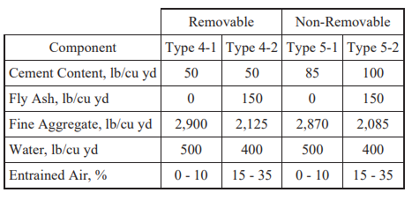
AIR ENTRAINING AGENT, CHEMICAL ADMIXTURES, FIBERS & CALCIUM CHLORIDE SOLUTION (DROPDOWN LIST INCLUDE ADMIXTURES AND FIBERS CHOOSE FROM PRODUCT NAME, LAST ROW FOR CALCIUM CHLORIDE)
W# |  | MANUFACTURER |  |  |  |  |  | PRODUCT NAME |  |  |  |  | TYPE |  | DOSAGE RANGE oz/cwt
#N/A |  | #N/A |  |  |  |  |  |  |  |  |  |  | #N/A |  | #N/A
#N/A |  | #N/A |  |  |  |  |  |  |  |  |  |  | #N/A |  | #N/A
#N/A |  | #N/A |  |  |  |  |  |  |  |  |  |  | #N/A |  | #N/A
#N/A |  | #N/A |  |  |  |  |  |  |  |  |  |  | #N/A |  | #N/A
#N/A |  | #N/A |  |  |  |  |  |  |  |  |  |  | #N/A |  | #N/A

BATCH PARAMETERS |  |  |  |  |  |  |  |  |  |  |  | SPECIFICATION PARAMETERS
MATERIAL |  |  | WEIGHT |  | SP GR or |  | AGG. |  | VOLUME |  |  | Amount Single SCM %
 |  |  | lbs |  | Bulk (ssd) |  | ABS. % |  | ft³ |  |  | Amount Two SCM's %
Cement |  |  |  |  |  |  |  |  | 0.00 |  |  | Total Cementitious Content
Fly Ash |  |  |  |  |  |  |  |  | 0.00 |  |  | Fly Ash Substitution Ratio |  |  |  |  | #REF!
Slag Cement |  |  |  |  |  |  |  |  | 0.00 |  |  | Slag Cement Substitution Ratio
SILICA FUME |  |  |  |  |  |  |  |  | 0.00 |  |  | Cement Reduction % |  |  |  |  | #REF!
FIBERS |  |  |  |  |  |  |  |  | 0.00 |  |  | Fly Ash Addition, %
Aggregate | FA |  |  |  |  |  |  |  | 0.00 |  |  | Slag Cement Addition, %
 | CA 1 |  |  |  |  |  |  |  | 0.00 |  |  | Tarantula Gradation Slip Form
 |  |  |  |  |  |  |  |  |  |  |  | Tarantula Gradation Non-Slip Form
 | CA 2 |  |  |  |  |  |  |  | 0.00 |  |  | Target W/(C+P), by wt |  |  |  |  | #DIV/0!
Water CaCl₂ / Accel Adm |  |  |  |  | 1.000 |  |  |  | 0.00 |  |  | Target Unit Weight, pcf
 |  |  |  |  |  |  |  |  |  |  |  | FA to total Agg, % by wt
water |  |  |  |  | 1.000 |  |  |  | 0.00 |  |  | FA to total Agg, % by vol
air** |  |  |  |  | 0.000 |  |  |  | 0.00 |  |  | % Passing 1 inch sieve
∑ |  |  | 0 |  |  |  |  |  |  |  |  | % Passing No. 200 sieve
 |  |  |  |  |  | Yield Results: |  |  |  |  |  | Paste Content with Air, % by volume |  |  |  |  | #DIV/0!
 |  |  |  |  |  |  |  |  |  |  |  | TARGET SLUMP (in)
**SELECT AIR CONTENT BASED ON SPECIFICATION
 |  |  | PRODUCER REPRESENTATIVE: |  |  |  |  |  |  |  |  |  |  |  | DATE:
 |  |  |  |  |  |  |  |  | DATE DISTRICT FORWARDED TO M&T:
 |  |  |  |  |  |  |  |  |  |  | DATE CMD NUMBER ASSIGNED:
Producer Comments:

DTE Notes:

 |  |  |  |  |  |  |  |  |  |  |  |  |  |  |  |  | v14ab.05.06.2026

Gradation
 |  |  |  |  |  |  |  |  |  |  |  |  | v14ab.05.06.2026 |  |  |  |  |  |  |  |  |  |  |  | Paste volume (%)
Aggregate | FA |  |  | CA 1 |  | CA 2 |  | Combined (by weight) |  | Combined (by Volume) |  |  |  |  |  |  |  |  |  |  |  |  |  |  | Without air content | 0.0%
% of total agg by wt | #DIV/0! |  |  | #DIV/0! |  | #DIV/0! |  |  |  |  |  |  |  |  |  |  |  |  |  |  |  |  |  |  | With air content | 6.5%
% of total agg by vol | #DIV/0! |  |  | #DIV/0! |  | #DIV/0! |  |  |  |  |  | Tarantuala |  |  |  |  |  |  |  |  | Passing boundary line
Sieve size | % Passing | Individual % Retained | Cumul. % Retained | % Passing | Individual % Retained | % Passing | Individual % Retained | % Passing | Individual % Retained | % Passing | Individual % Retained | Min | Max |  |  | Sieve size (in.) | Sieve size (mm) | Sieve size for 0.45 power curve | Combined passing | % passing for 0.45 power curve | Max | Min |  |  | Mortar volume (%)
2" |  | 100.0 |  |  | 100.0 |  | 100.0 | #DIV/0! | #DIV/0! | #DIV/0! | #DIV/0! |  |  |  |  | 2" | 50 | 5.81 | #DIV/0! | 136.6 | 113.8 | 154.6 |  |  | Mortar fraction w/o air (%) | 0.0%
1.5" |  | 0.0 |  |  | 0.0 |  | 0.0 | #DIV/0! | #DIV/0! | #DIV/0! | #DIV/0! | 0 | 0 |  | #DIV/0! | 1.5" | 37.5 | 5.11 | #DIV/0! | 120.0 | 100.0 | 135.8 |  |  | Mortar fraction w/ air (%) | 6.5%
1" |  | 0.0 |  |  | 0.0 |  | 0.0 | #DIV/0! | #DIV/0! | #DIV/0! | #DIV/0! | 0 | 16 |  | #DIV/0! | 1" | 25 | 4.26 | #DIV/0! | 100.0 | 83.3 | 113.1 |  |  | ACI 302 Min % | 55.0%
3/4" |  | 0.0 |  |  | 0.0 |  | 0.0 | #DIV/0! | #DIV/0! | #DIV/0! | #DIV/0! | 0 | 20 |  | #DIV/0! | 3/4" | 19 | 3.76 | #DIV/0! | 88.4 | 73.6 | 100.0 |  |  | ACI 302 Max % | 57.0%
1/2" |  | 0.0 |  |  | 0.0 |  | 0.0 | #DIV/0! | #DIV/0! | #DIV/0! | #DIV/0! | 4 | 20 |  | #DIV/0! | 1/2" | 12.5 | 3.12 | #DIV/0! | 73.2 | 61.0 | 82.8
3/8" |  | 0.0 |  |  | 0.0 |  | 0.0 | #DIV/0! | #DIV/0! | #DIV/0! | #DIV/0! | 4 | 20 |  | #DIV/0! | 3/8" | 9.5 | 2.75 | #DIV/0! | 64.7 | 53.9 | 73.2 |  |  | Coarseness factor (%) | #DIV/0!
#4 |  | 0.0 | 0.0 |  | 0.0 |  | 0.0 | #DIV/0! | #DIV/0! | #DIV/0! | #DIV/0! | 4 | 20 |  | #DIV/0! | #4 | 4.75 | 2.02 | #DIV/0! | 47.4 | 39.5 | 53.6 |  |  | Workability factor (%) | #DIV/0!
#8 |  | 0.0 | 0.0 |  | 0.0 |  | 0.0 | #DIV/0! | #DIV/0! | #DIV/0! | #DIV/0! | 0 | 12 |  | #DIV/0! | #8 | 2.36 | 1.47 | #DIV/0! | 34.6 | 28.8 | 39.1
#16 |  | 0.0 | 0.0 |  | 0.0 |  | 0.0 | #DIV/0! | #DIV/0! | #DIV/0! | #DIV/0! | 0 | 12 |  | #DIV/0! | #16 | 1.18 | 1.08 | #DIV/0! | 25.3 | 21.1 | 28.6
#30 |  | 0.0 | 0.0 |  | 0.0 |  | 0.0 | #DIV/0! | #DIV/0! | #DIV/0! | #DIV/0! | 4 | 20 |  | #DIV/0! | #30 | 0.6 | 0.79 | #DIV/0! | 18.7 | 15.6 | 21.1 |  |  | Trend
#50 |  | 0.0 | 0.0 |  | 0.0 |  | 0.0 | #DIV/0! | #DIV/0! | #DIV/0! | #DIV/0! | 4 | 20 |  | #DIV/0! | #50 | 0.3 | 0.58 | #DIV/0! | 13.7 | 11.4 | 15.5 |  |  | x | y1 | y2
#100 |  | 0.0 | 0.0 |  | 0.0 |  | 0.0 | #DIV/0! | #DIV/0! | #DIV/0! | #DIV/0! | 0 | 10 |  | #DIV/0! | #100 | 0.15 | 0.43 | #DIV/0! | 10.0 | 8.3 | 11.3 |  |  | 100 | 25 | 27
#200 |  | 0.0 |  |  | 0.0 |  | 0.0 | #DIV/0! | #DIV/0! | #DIV/0! | #DIV/0! | 0 | 2 |  | #DIV/0! | #200 | 0.075 | 0.31 | #DIV/0! | 7.3 | 6.1 | 8.3 |  |  | 90 | 25 | 27
 |  |  |  |  |  |  |  |  |  |  |  |  |  | Sum | #DIV/0! | 0 |  | 0 |  | 0 | 0 | 0 |  |  | 80 | 25.5 | 27.5
 |  | Fineness Mod = | 0.00 |  |  |  |  |  |  |  |  |  |  |  |  |  |  |  |  |  |  |  |  |  | 20 | 34.5 | 36.5
Tarantula
Individual Percent Retained
 |  |  |  |  |  |  |  |  |  |  |  |  |  |  |  |  |  |  |  |  |  |  |  |  | 10 | 35 | 37
 |  |  |  |  |  |  |  |  |  |  |  |  |  |  |  |  |  |  |  |  |  |  |  |  | 0 | 35 | 37

 |  |  |  |  |  |  |  |  |  |  |  |  |  |  |  |  |  |  |  |  |  |  |  |  | Top line
 |  |  |  |  |  |  |  |  |  |  |  |  |  |  |  |  |  |  |  |  |  |  |  |  | x | y
 |  |  |  |  |  |  |  |  |  |  |  |  |  |  |  |  |  |  |  |  |  |  |  |  | 100 | 36
 |  |  |  |  |  |  |  |  |  |  |  |  |  |  |  |  |  |  |  |  |  |  |  |  | 37 | 45

 |  |  |  |  |  |  |  |  |  |  |  |  |  |  |  |  |  |  |  |  |  |  |  |  | Zone I
 |  |  |  |  |  |  |  |  |  |  |  |  |  |  |  |  |  |  |  |  |  |  |  |  | x | y
 |  |  |  |  |  |  |  |  |  |  |  |  |  |  |  |  |  |  |  |  |  |  |  |  | 75.5 | 28.127
 |  |  |  |  |  |  |  |  |  |  |  |  |  |  |  |  |  |  |  |  |  |  |  |  | 75.5 | 39.5

2" 1.5" 1" 3/4" 1/2" 3/8" #4 #8 #16 #30 #50 #100 #200
 |  |  |  |  |  |  |  |  |  |  |  |  |  |  |  |  |  |  |  |  |  |  |  |  | Zone II
 |  |  |  |  |  |  |  |  |  |  |  |  |  |  |  |  |  |  |  |  |  |  |  |  | x | y
 |  |  |  |  |  |  |  |  |  |  |  |  |  |  |  |  |  |  |  |  |  |  |  |  | 46.5 | 32.525
 |  |  |  |  |  |  |  |  |  |  |  |  |  |  |  |  |  |  |  |  |  |  |  |  | 46.5 | 43.643

 | Fine Sand (#30 - #200) | #DIV/0! | range: | 24% - 34% (slipformed) |  |  |  |  |  |  |  |  |  |  |  |  |  |  |  |  |  |  | #DIV/0! |  | Zone II line
 |  |  |  | 25% - 40% (non-slipformed) |  |  |  |  |  |  |  |  |  |  |  |  |  |  |  |  |  |  | #DIV/0! |  | 1 | x | y
 | Coarse Sand % (#8 - #30) | #DIV/0! | minimum: | 15% (slipformed) |  |  |  |  |  |  |  |  |  |  |  |  |  |  |  |  |  |  | #DIV/0! | #DIV/0! |  | 75.5 | 29
 |  |  |  | 20% (non-slipformed) |  |  |  |  |  |  |  |  |  |  |  |  |  |  |  |  |  |  | #DIV/0! | #DIV/0! |  | 46.5 | 33.398
 |  |  |  |  |  |  |  |  |  |  |  |  |  |  |  |  |  |  |  |  |  |  |  |  |  | 30 | 35.900

0.45 Power Curve
Coarseness Factor Chart
 |  |  |  |  |  |  |  |  |  |  |  |  |  |  |  |  |  |  |  |  |  |  |  |  | 2 | x | y
 |  |  |  |  |  |  |  |  |  |  |  |  |  |  |  |  |  |  |  |  |  |  |  |  |  | 75.5 | 30.33
 |  |  |  |  |  |  |  |  |  |  |  |  |  |  |  |  |  |  |  |  |  |  |  |  |  | 46.5 | 34.728
 |  |  |  |  |  |  |  |  |  |  |  |  |  |  |  |  |  |  |  |  |  |  |  |  |  | 30 | 37.230

 |  |  |  |  |  |  |  |  |  |  |  |  |  |  |  |  |  |  |  |  |  |  |  |  | 3 | x | y
 |  |  |  |  |  |  |  |  |  |  |  |  |  |  |  |  |  |  |  |  |  |  |  |  |  | 75.5 | 32.33
 |  |  |  |  |  |  |  |  |  |  |  |  |  |  |  |  |  |  |  |  |  |  |  |  |  | 46.5 | 36.728
 |  |  |  |  |  |  |  |  |  |  |  |  |  |  |  |  |  |  |  |  |  |  |  |  |  | 30 | 39.230

 |  |  |  |  |  |  |  |  |  |  |  |  |  |  |  |  |  |  |  |  |  |  |  |  | 4 | x | y
 |  |  |  |  |  |  |  |  |  |  |  |  |  |  |  |  |  |  |  |  |  |  |  |  |  | 75.5 | 34.67
 |  |  |  |  |  |  |  |  |  |  |  |  |  |  |  |  |  |  |  |  |  |  |  |  |  | 46.5 | 39.068
 |  |  |  |  |  |  |  |  |  |  |  |  |  |  |  |  |  |  |  |  |  |  |  |  |  | 30 | 41.570

#30
#50
#100
#200
#8
#16
3/8"
#4
1/2"
3/4"
1"
1.5"
2"

Paste Volume
Mortar Fraction

Including air content
Excluding air content

TRIAL BATCH WORKSHEET
TRIAL BATCH WORKSHEET
Date: |  |  |  |  |  | Plant No. |  |  | 0 |  |  | Location: |  |  | 0.00
Batching & Mixing Equipment:
INDOT CMD No. |  |  |  |  | Mix ID Required
Name(s) of Contractor's Certified Technician and ACI Grade 1 Certification Number:

Name(s) of INDOT Qualified Technician & Submitter Nos.

AGGREGATE TEST RESULTS
 |  |  |  |  |  |  |  |  |  | Last Name of |  |  |  |  |  |  | Last Name of |  |  |  | INDOT |  | Last Name of
Properties |  |  |  |  |  |  | Contractor |  |  | ACI Certified |  |  |  | INDOT |  |  | INDOT Qual. |  |  |  | IA |  | INDOT Qual.
 |  |  |  |  |  |  | Result |  |  | Technician |  |  |  | Result |  |  | Technician |  |  |  | Result |  | IA
FA Bulk Sp. Gr. (SSD) |  |  |  |  |  |  | 0.000 |  |  |  |  |  |  | 0.000 |  |  | NA |  |  |  | 0.000 |  | NA
FA Absorption, % |  |  |  |  |  |  | 0.00 |  |  |  |  |  |  | 0.00 |  |  | NA |  |  |  | 0.00 |  | NA
FA Moisture, % |  |  |  |  |  |  | 0.00 |  |  |  |  |  |  | 0.00 |  |  |  |  |  |  | 0.00
CA Bulk Sp. Gr. (SSD) |  |  |  |  |  |  | 0.000 |  |  |  |  |  |  | 0.000 |  |  | NA |  |  |  | 0.000 |  | NA
CA Absorption, % |  |  |  |  |  |  | 0.00 |  |  |  |  |  |  | 0.00 |  |  | NA |  |  |  | 0.00 |  | NA
CA Moisture, % |  |  |  |  |  |  | 0.00 |  |  |  |  |  |  | 0.00 |  |  |  |  |  |  | 0.00
CA #2 Bulk Sp. Gr. (SSD) |  |  |  |  |  |  | 0.000 |  |  |  |  |  |  | 0.000 |  |  | NA |  |  |  | 0.000 |  | NA
CA #2 Absorption, % |  |  |  |  |  |  | 0.00 |  |  |  |  |  |  | 0.00 |  |  | NA |  |  |  | 0.00 |  | NA
CA #2 Moisture, % |  |  |  |  |  |  | 0.00 |  |  |  |  |  |  | 0.00 |  |  |  |  |  |  | 0.00
Agg. Correction Factor |  |  |  |  |  |  | #DIV/0! |  |  |  |  |  |  | #DIV/0! |  |  |  |  |  |  | #DIV/0!

AGGREGATE MOISTURE RESULTS
 | Procedure |  |  |  |  |  |  |  | Method |  |  | Contractor |  |  |  |  |  | Construction |  |  |  |  | I.A.
 |  |  |  |  |  |  |  |  |  |  |  | Fine |  | CA#1 |  | CA#2 |  | Fine |  | CA#1 |  | CA#2 | Fine |  | CA#1 | CA#2
A | Weight of wet sample & pan, 0.01 lbs. |  |  |  |  |  |  |  | Weigh
B | Weight of dried sample & pan, 0.01 lbs. |  |  |  |  |  |  |  | Weigh
C | Weight of water in sample, 0.01 lbs. |  |  |  |  |  |  |  | A-B
D | Weight of pan, 0.01 lbs. |  |  |  |  |  |  |  | Weigh
E | Weight of dried sample, 0.01 lbs. |  |  |  |  |  |  |  | B-D
F | Percent Moisture, 0.01% |  |  |  |  |  |  |  | (C / E) x 100 |  |  | 0.00 |  | 0.00 |  | 0.00 |  | 0.00 |  | 0.00 |  | 0.00 | 0.00 |  | 0.00 | 0.00

CONCRETE BATCHING
 |  |  |  |  |  |  |  |  |  |  |  |  |  |  |  | Total
 |  |  | Design Batch |  |  |  |  | Target Batch |  |  |  |  | Target |  |  | Target |  |  | Actual |  |  | Batching |  | Allowable
Materials |  |  | Weights |  |  |  |  | Weights |  |  |  |  | Batch |  |  | Batch |  |  | Batch |  |  | Error |  | Error
 |  |  | (SSD Aggregate) |  |  |  |  | (Moist Aggregates) |  |  |  |  | Size |  |  | Weights |  |  | Weights
 |  |  | lbs |  |  |  |  | lbs |  |  |  |  | yd³ |  |  | lbs |  |  | lbs |  |  | ± % |  | ± %
Cement |  |  | 0 |  |  |  |  | 0 |  |  |  |  |  |  |  | 0 |  |  |  |  |  | 0.00 |  | ±1.49
Fly Ash |  |  | 0 |  |  |  |  | 0 |  |  |  |  | 0 |  |  | 0 |  |  |  |  |  |  |  | ±1.49
Slag Cement |  |  | 0 |  |  |  |  | 0 |  |  |  |  | 0 |  |  | 0 |  |  |  |  |  |  |  | ±1.49
Silica Fume |  |  | 0 |  |  |  |  | 0 |  |  |  |  | 0 |  |  | 0 |  |  |  |  |  |  |  | ±1.49
Fibers |  |  | 0 |  |  |  |  | 0 |  |  |  |  | 0 |  |  | 0 |  |  |  |  |  |  |  | ±1.49
Aggregate | FA |  | 0 |  |  |  |  | 0 |  |  |  |  | 0 |  |  | 0 |  |  |  |  |  | 0.00 |  | ±2.49
 | CA #1 |  | 0 |  |  |  |  | 0 |  |  |  |  | 0 |  |  | 0 |  |  |  |  |  | 0.00 |  | ±2.49
 | CA #2 |  | 0 |  |  |  |  | 0 |  |  |  |  | 0 |  |  | 0 |  |  |  |  |  | 0.00 |  | ±2.49
Water CaCl₂ / Accel Adm |  |  | 0 |  |  |  |  | 0 |  |  |  |  | 0 |  |  | 0
Water |  |  | 0 |  |  |  |  | 0 |  |  |  |  | 0 |  |  | 0 |  |  |  |  |  | 0.00 |  | ±1.49
Σ |  |  | 0 |  |  |  |  | 0 |  |  |  |  | NA |  |  | 0 |  |  | 0 |  |  | NA |  | NA

 | ADMIXTURE DOSAGE
 |  |  |  |  |  |  |  |  |  |  | Target |  |  | Total Req. |  |  | Actual |  |  | Batching
 | Admixture Name |  |  |  |  |  |  |  |  |  | Dosage |  |  | Dosage |  |  | Dosage |  |  | Error
 |  |  |  |  |  |  |  |  |  |  | fl oz/cwt |  |  | fl oz |  |  | fl oz |  |  | ± %

 | #REF!
 |  |  |  |  |  |  |  |  |  |  |  |  |  |  |  |  |  |  |  |  |  |  | ±3.49

Comments on Batching:

 |  |  |  |  |  |  |  |  |  |  |  |  |  |  |  |  |  |  |  |  |  |  |  | v14ab.05.06.2026
 | PLASTIC CONCRETE TEST RESULTS
 |  |  |  |  |  |  | Contractor |  |  | Last Name |  |  | INDOT |  |  | Last Name |  |  | INDOT |  |  | Last Name
 | Plastic Property |  |  |  |  |  | Certifed |  |  | of ACI |  |  | Qualified |  |  | of INDOT |  |  | Qualified |  |  | of INDOT
 | 0 |  |  |  |  |  | Technician |  |  | Certified |  |  | Technician |  |  | Qualified |  |  | IA |  |  | IA
 |  |  |  |  |  |  | Results |  |  | Technician |  |  | Results |  |  | Technician |  |  | Results |  |  | Technician
 | Water/Cementious |  |  |  |  |  | 0.000
 | Concrete/Bucket wt.
 | bucket wt.
 | concrete wt |  |  |  |  |  | 0.000 |  |  |  |  |  | 0.000 |  |  |  |  |  | 0.000
 | Bucket Volume (example 0.249)
 | Unit Wt. (pcf) |  |  |  |  |  | 0.0 |  |  |  |  |  | 0.0 |  |  |  |  |  | 0.0
 | Air Content (%)
 | Agg. Correction Factor |  |  |  |  |  | #DIV/0! |  |  |  |  |  | #DIV/0! |  |  |  |  |  | #DIV/0!
 | Adjust Air Content % |  |  |  |  |  | #DIV/0! |  |  |  |  |  | #DIV/0! |  |  |  |  |  | #DIV/0!
 | Slump (inches)
 | Relative Yield |  |  |  |  |  | 0.000 |  |  |  |  |  | 0.000 |  |  |  |  |  | 0.000

 |  |  |  | STRENGTH TEST RESULTS (BREAK SCHEDULE DETERMINED BY SPECIFICATION)
 |  |  |  |  |  |  | Contractor's |  |  |  |  |  | Last Name |  |  | INDOT Qualified |  |  |  |  |  | Last Name
 |  |  |  |  |  |  | Lab Result |  |  |  |  |  | of |  |  | Techician Result |  |  |  |  |  | of INDOT
 |  |  |  | Age |  |  | psi |  |  |  |  |  | Contractor |  |  | psi |  |  |  |  |  | Qualified
 |  |  |  |  |  |  | Specimen |  |  | Average |  |  | Technician |  |  | Specimen |  |  | Average |  |  | Technician
 |  |  |  |  |  |  |  |  |  | 0 |  |  |  |  |  |  |  |  | 0

 |  |  |  |  |  |  |  |  |  | 0 |  |  |  |  |  |  |  |  | 0

 |  |  |  |  |  |  |  |  |  | 0 |  |  |  |  |  |  |  |  | 0

 |  |  |  |  |  |  |  |  |  | 0 |  |  |  |  |  |  |  |  | 0

 |  |  |  |  |  |  |  |  |  | 0 |  |  |  |  |  |  |  |  | 0

 |  |  |  |  |  |  |  |  |  | 0 |  |  |  |  |  |  |  |  | 0

 |  | Box Test (AASHTO T396)
 |  |  |  |  |  | Voids (Section 8.1)--requires a number 1, 2, 3 or 4 for each of the four sides and
 |  |  |  |  |  | an average is calculated. The result must be 2 or less
 | READING 1 |  |  |  |  |  |  | 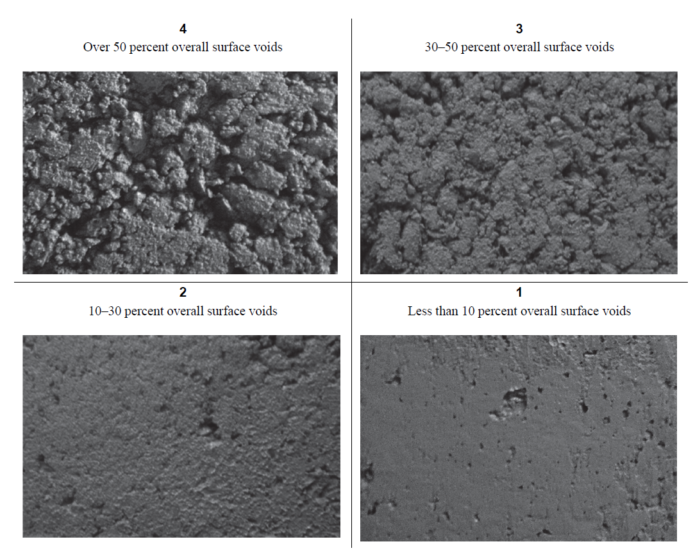
 | READING 2
 | READING 3
 | READING 4
 | AVG. READING |  |  |  | 0

 |  | Edge Slump (Section 8.2)—Measure all four sides with a straightedge; based in Figure 5, then average your results. An average edge slump of 0.25 in. (6 mm) or less has been deemed sufficient for slip form paving applications. Report all measured edge slumps and the average.

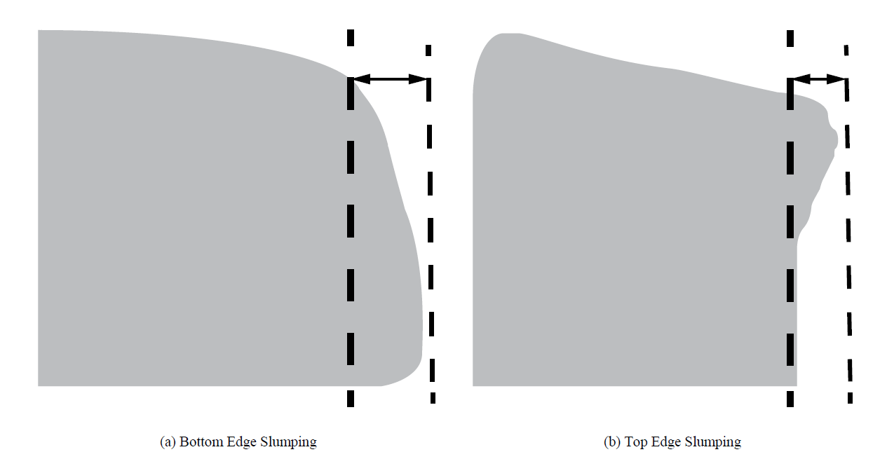
 |  | READING 1
 |  | READING 2
 |  | READING 3
 |  | READING 4
 |  | AVG. READING |  |  |  | 0.00

Comments on Test Results:

 |  |  |  |  |  |  |  |  |  |  |  |  |  |  |  |  |  |  |  |  |  |  | v14ab.05.06.2026

