DCS Region Map
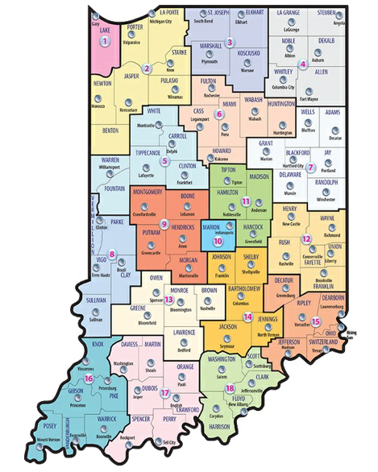

Adams | Rent
Allen | Mortgage
Bartholomew | Electric
Benton | Gas
Blackford | Groceries
Boone | Essential Household Items
Brown | Other (Specify in Column J)
Carroll
Cass | January
Clark | February
Clay | March
Clinton | April
Crawford | May
Daviess | June
Dearborn | July
Decatur | August
DeKalb | September
Delaware | October
Dubois | November
Elkhart | December
Fayette
Floyd | 1
Fountain | 2
Franklin | 3
Fulton | 4
Gibson | 5
Grant | 6
Greene | 7
Hamilton | 8
Hancock | 9
Harrison | 10
Hendricks | 11
Henry | 12
Howard | 13
Huntington | 14
Jackson | 15
Jasper | 16
Jay | 17
Jefferson | 18
Jennings
Johnson
Knox
Kosciusko
LaGrange
Lake
LaPorte
Lawrence
Madison
Marion
Marshall
Martin
Miami
Monroe
Montgomery
Morgan
Newton
Noble
Ohio
Orange
Owen
Parke
Perry
Pike
Porter
Posey
Pulaski
Putnam
Randolph
Ripley
Rush
Scott
Shelby
Spencer
St. Joseph
Starke
Steuben
Sullivan
Switzerland
Tippecanoe
Tipton
Union
Vanderburgh
Vermillion
Vigo
Wabash
Warren
Warrick
Washington
Wayne
Wells
White
Whitley

